Simple Model
Universal Business Model

The Universal Market Business Model Inputs |  |  | Growth and Implied Return Data Tables
a. Sales/Investment Ratio at Cost | 8.30%
a1. Market Sales/Investment Ratio | 6.94% |  |  |  | Current Equity Return at Cost (AFFO Yield) |  |  |  |  |  |  | External Growth
a2. Incremental Sales/Investment Ratio | 8.30% |  |  |  | Sales/Investment |  |  |  |  |  |  | Traded Cash Flow Multiple
Operating Margin
Operating Margin
b. New Share Issuance Dilution | 10.00% |  |  |  | 8.00% | 8.10% | 8.20% | 8.30% | 8.40% | 8.50% |  | 12.0X | 13.0X | 15.0X | 17.5X | 20.0X | 22.5X
Sales/
Investment
c. Cost to Raise Equity | 0.00% |  |  | 75.0% | 6.19% | 6.19% | 6.19% | 6.19% | 6.19% | 6.19% | 8.00% | 1.01% | 1.68% | 2.75% | 3.74% | 4.49% | 5.07%
d. Operating Margin | 90.00% |  |  | 80.0% | 7.23% | 7.23% | 7.23% | 7.23% | 7.23% | 7.23% | 8.13% | 0.98% | 1.62% | 2.66% | 3.62% | 4.35% | 4.91%
e. Tax Rate (on Cash Flow) | 0.00% |  |  | 85.0% | 8.26% | 8.26% | 8.26% | 8.26% | 8.26% | 8.26% | 8.20% | 0.96% | 1.59% | 2.61% | 3.56% | 4.26% | 4.82%
f. % Company Funded with OPM | 60.00% |  |  | 90.0% | 9.30% | 9.30% | 9.30% | 9.30% | 9.30% | 9.30% | 8.33% | 0.93% | 1.55% | 2.53% | 3.45% | 4.14% | 4.67%
f1. Adjusted for Market Value | 50.20% |  |  | 95.0% | 10.34% | 10.34% | 10.34% | 10.34% | 10.34% | 10.34% | 8.50% | 0.89% | 1.48% | 2.43% | 3.31% | 3.97% | 4.48%
g. Cost of Borrowings/Leases | 6.25%
g1. Incremental Borrowing/Lease Cost | 6.25% |  |  |  | Equity Value Multipier to Cost |  |  |  |  |  |  | Internal Growth
Five-Year Return Sources
h. Maintenance CapEx/Assets at Cost | 0.00% |  |  |  | Sales/Investment |  |  |  |  |  |  | Same Store Revenue Growth
Operating Margin
h1. Adjusted for Market Value | 0.00% |  |  |  | 8.00% | 8.10% | 8.20% | 8.30% | 8.40% | 8.50% |  | 0.0% | 1.0% | 1.5% | 2.0% | 2.5% | 3.0%
Payout Ratio
i. Annual Same Store Sales Growth | 2.00% |  |  | 75.0% | 0.90X | 0.93X | 0.96X | 0.99X | 1.02X | 1.05X | 60.0% | 3.7% | 5.7% | 6.7% | 7.7% | 8.7% | 9.7%
j. Cash Flow Dividend Payout Ratio | 70.00% |  |  | 80.0% | 1.06X | 1.09X | 1.12X | 1.16X | 1.19X | 1.22X | 70.0% | 2.8% | 4.8% | 5.8% | 6.8% | 7.8% | 8.8%
k. Beginning Market Cash Flow Multiple | 16.00X | Check |  | 85.0% | 1.22X | 1.25X | 1.29X | 1.32X | 1.36X | 1.39X | 80.0% | 1.9% | 3.9% | 4.9% | 5.9% | 6.9% | 7.9%
Equalling A Current After-Tax Market Equity Return | 6.25% | 6.25% |  | 90.0% | 1.38X | 1.42X | 1.45X | 1.49X | 1.52X | 1.56X | 90.0% | 0.9% | 2.9% | 3.9% | 4.9% | 6.0% | 7.0%
k1. Ending Market Cash Flow Multiple | 16.00X |  |  | 95.0% | 1.54X | 1.58X | 1.62X | 1.65X | 1.69X | 1.73X | 100.0% | 0.0% | 2.0% | 3.0% | 4.0% | 5.0% | 6.0%
Equalling A Current After-Tax Market Equity Return | 6.25%

Implied investor return (the sum of the dividend yield, internal and external growth) is before management share compensation dilution, asset management fees and recycled cash from asset dispositions. Internal growth presumes that cash is reinvested consistent with the incremental corporate business model.
Current Equity Return and Multiple at Cost
Current After-Tax Equity Return at Cost | 9.30% |  |  |  |  |  |  |  |  |  |  | 5 Year IRR Table
Equalling A Cash Flow Multiple at Cost | 10.75X
 |  |  |  |  |  |  |  |  |  |  |  | Avg. Hold | IRR | 0 | 1 | 2 | 3 | 4 | 5 | PV | %
Beginning Equity Value Multiplier to Cost | 1.49X |  |  |  |  |  |  |  |  |  |  | Investment |  | (1.00)
Ending Equity Value Multiplier to Cost | 1.49X |  |  |  |  |  |  |  |  |  |  | Dividend |  |  | 0.044 | 0.048 | 0.053 | 0.058 | 0.063 | 0.18 | 17.75%
Beginning-Ending Equity Value Market Multiplier | 1.00X |  |  |  |  |  |  |  |  |  |  | Same Store Growth |  |  |  |  |  |  | 0.244 | 0.13 | 12.60%
Bold input variables are the Value Equation variables essential to current equity returns.
Green lines
are calculated.
 |  |  |  |  |  |  |  |  |  |  |  | Reinvested Cash Flow Growth |  |  |  |  |  |  | 0.170 | 0.09 | 8.75%
 |  |  |  |  |  |  |  |  |  |  |  | External Growth |  |  |  |  |  |  | 0.179 | 0.09 | 9.26%
 |  |  |  |  |  |  |  |  |  |  |  | Return Arbitrage |  |  |  |  |  |  | - | - | 0.00%
 |  |  |  |  |  |  |  |  |  |  |  | Recovered Investment |  |  |  |  |  |  | 1.000 | 0.52 | 51.64%
The Four Components of Investor Return
 |  |  |  |  |  |  |  |  |  |  |  | 5 YR IRR | 14.13% | (1.00) | 0.044 | 0.048 | 0.053 | 0.058 | 1.656 | 1.00 | 100.00%
1. Dividend Yield | 4.38%
 |  |  |  |  |  |  |  |  |  |  |  | Test | 14.13% | (1.00) | 0.044 | 0.048 | 0.053 | 0.058 | 1.656
Three-Year Return Sources
Cash Flow Growth from Same Store Revenues | 4.02%
Cash Flow Growth from Reinvested Cash | 2.79%
Three-Year Return Sources
2. Internal Growth (Achived Through Internal Resources) | 6.81%

3. External Growth (Achieved Through New Share Issuance) | 2.95%
 |  |  |  |  |  |  |  |  |  |  |  | 3 Year IRR Table
4. Share Price Cash Flow Multiple Arbitrage | 0.00%
 |  |  |  |  |  |  |  |  |  |  |  | Avg. Hold | IRR | 0 | 1 | 2 | 3 | PV | %
Implied Total Market Equity Return | 14.13% |  |  |  |  |  |  |  |  |  |  | Investment |  | (1.00)
 |  |  |  |  |  |  |  |  |  |  |  | Dividend |  |  | 0.044 | 0.048 | 0.053 | 0.11 | 11.06%
Formula Equations: |  |  |  |  |  |  |  |  |  |  |  | Same Store Growth |  |  |  |  | 0.133 | 0.09 | 8.92%
Dividend Yield:
1 / k X j
 |  |  |  |  |  |  |  |  |  |  |  | Reinvested Cash Flow Growth |  |  |  |  | 0.092 | 0.06 | 6.20%
 |  |  |  |  |  |  |  |  |  |  |  | External Growth |  |  |  |  | 0.097 | 0.07 | 6.56%
Internal Growth:
Same Store:
((((a x (1 + i)) x d) - f x g - h) - ((a x (1 + i)) x d) - f x g - h) x e) /
((a x d - f x g - h) - (a x d - f x g - h) x e) -1
Reinvested Cash Flow:
=(((((a x d - f x g - h - (a x d - f x g - h) x e) - ((a x d - f x g - h - (a x d - f x d - h) x e) x j)) / (1 - f) x a2) x d)
-(((a x d - f x g - h - (a x d - f x g - h) x e) - ((a x d - f x g - h - (a x d - f x g - h) x e) x j))/(1 - f) x f x g1) -
(((a x d - f x g - h - (a x d - f x g - h) x e) - ((a x d - f x g - h - (a x d - f x g - h) x e) x j)) / (1 - f) x h) -
(((((a x d - f x g - h - (a x d - f x g - h) x e) - ((a x d - f x g - h - (a x d - f x g - h) x e) x j)) / (1 - f) x a2) x d -
((a x d - f x g - h - (a x d - f x g - h) x e) - ((a x d - f x g - h - (a x d - f x g - h) x e) x j)) / (1 - f) x f x g1) -
(((a x d - f x g - h - (a x d - f x g - h) x e) - ((a x d - f x g - h - (a x d - f x g - h) x e) x j)) / (1 - f) x h)) x e))/
((a x d - f x g - h) - (a x d - f x g - h) x e)
 |  |  |  |  |  |  |  |  |  |  |  | Return Arbitrage |  |  |  |  | - | - | 0.00%
 |  |  |  |  |  |  |  |  |  |  |  | Recovered Investment |  |  |  |  | 1.000 | 0.67 | 67.26%

 |  |  |  |  |  |  |  |  |  |  |  | 3 YR IRR | 14.13% | (1.00) | 0.04 | 0.05 | 1.37 | 1.00 | 100.00%

 |  |  |  |  |  |  |  |  |  |  |  | Test | 14.13% | (1.00) | 0.044 | 0.048 | 1.375

External Growth:
(((1 - f) x b/(1 - f) x ((1 - f) x b/1 - f)) x a2/(((1-f) x b/(1 - f)) + (1 -f) x b x c) x d - ((1 - f) x b/(1-f) x b/(1 - f) x f x g1) - ((1 - f) x b/(1 - f) x h)-(((1 - f) x b/(1 -f) x ((1 - f) x b x c) x d - ((1-f) x b/(1 - f)) + (1 - f) x b x c) x d - ((1 - f) x b/1 - f) x f x g1) - ((1 -f) x b/(1 - f) x h)) x e) - ((1 - f) x b x 1/k)) x (1 - b))/((a x d - f x g - h) - ((a x d - f x g - h) x e))
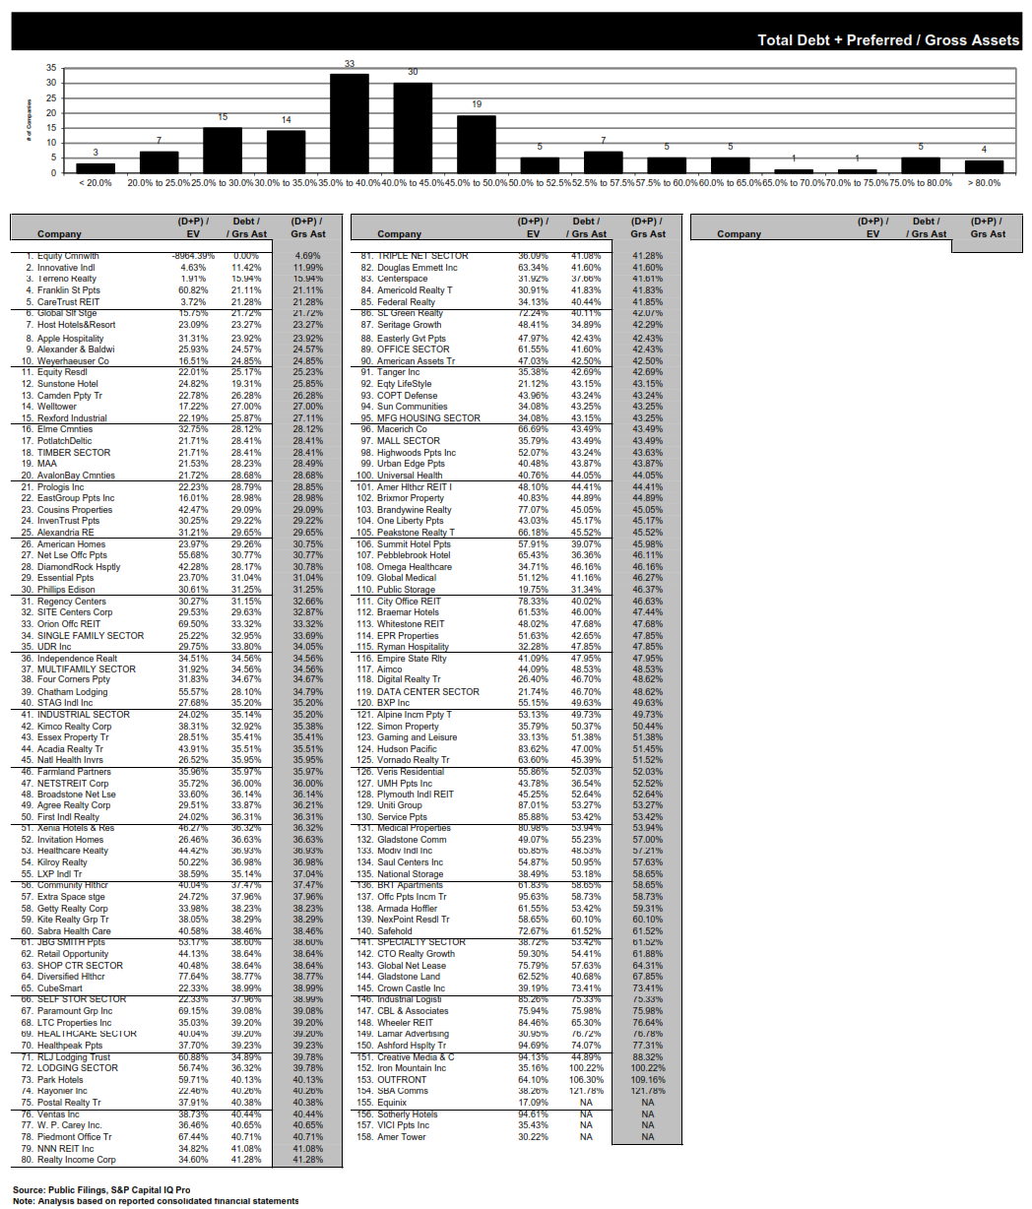

Share Price Cash Flow Multiple Arbitrage:
k1/k -1

